van dijk cb rating
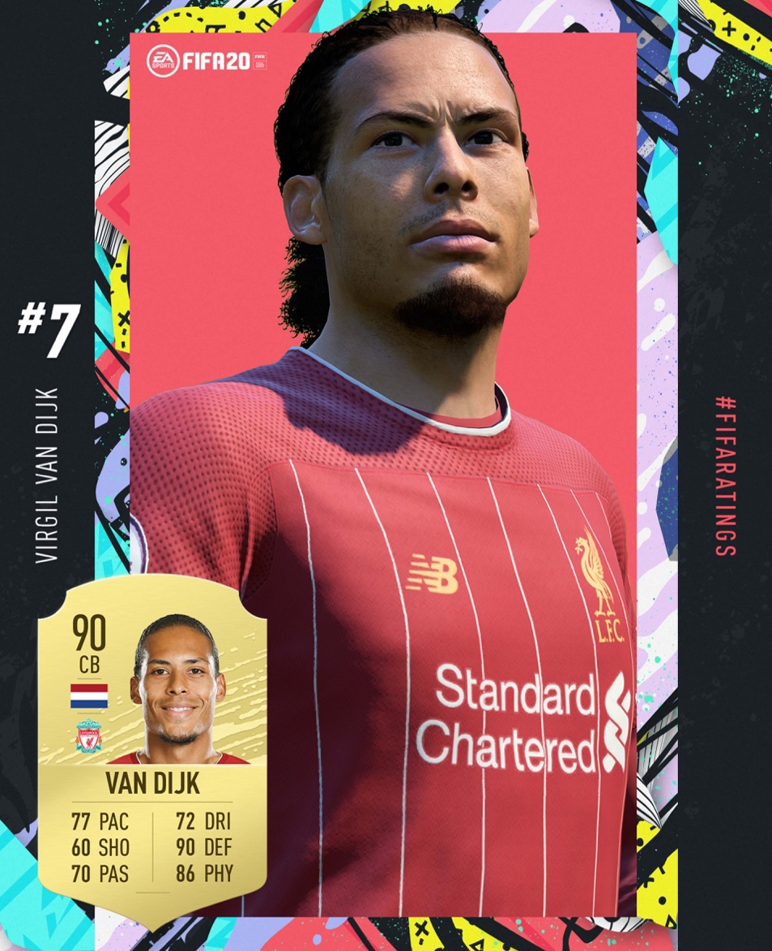

Centre Back Overall Calculation |  |  |  | Int. Rep. Effect on Overall Calculation |  |  | VAN DIJK
Metric | Van Dijk | CB Coefficient | CB Overall | International Reputation | Rating | Final Rating | IR | 4
Marking awareness | 91 | 15% | 13.65 | 1 veya 2 | - | Rating + 0 | Rating | 87.66
Sliding tackle | 92 | 15% | 13.8 | 3 | <51 | Rating + 0 | Final Rating | 87,66 + 2 = 89,66
Standing tackle | 86 | 15% | 12.9 | 3 | >=51 | Rating + 1 | Rounded Final Rating | 90
Heading accuracy | 86 | 10% | 8.6 | 4 | [36, 66] | Rating + 1
Strength | 92 | 10% | 9.2 | 4 | [67, 99] | Rating + 2
Aggression | 82 | 8% | 6.56 | 5 | [24, 49] | Rating + 1
Interceptions | 90 | 8% | 7.2 | 5 | [50, 74] | Rating + 2
Short passing | 79 | 5% | 3.95 | 5 | [75, 99] | Rating + 3
Reactions | 76 | 5% | 3.8
Ball control | 88 | 5% | 4.4
Jumping | 90 | 4% | 3.6
TOTAL | 952 | 1 | 87.66
 |  | Rounded: | 88

rating calculation
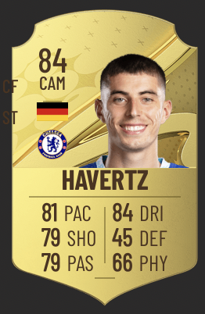
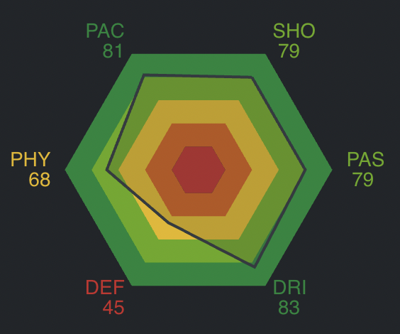
POSITIONS / METRICS | ATTRIBUTE RATING | COEFFICIENT | PROPORTIONATE RATING | POSITION | OVERALL RATING | KAI HAVERTZ |  | https://sofifa.com/player/235790/kai-havertz/230049/?hl=en-US |  | https://fifaforums.easports.com/en/discussion/277545/how-player-rating-is-calculated-it-is-a-total-mess
ST |  |  |  | GK | 10 | PACE |  | https://fifauteam.com/fifa-21-attributes-guide/ |  | https://www.goal.com/en/news/fifa-player-ratings-explained-how-are-the-card-number--stats-decided/1hszd2fgr7wgf1n2b2yjdpgynu
Finishing | 70 | 20% | 14 | CB | 10 | Acceleration | 76 |  |  | https://fifauteam.com/fifa-21-attributes-guide/
Positioning | 10 | 12% | 1.2 | LB/RB | 10 | Sprint speed | 85
Heading accuracy | 10 | 10% | 1 | LWB/RWB | 10 | Average: | 81
Reactions | 10 | 10% | 1 | CDM | 10
Shot power | 10 | 10% | 1 | CM | 10 | SHOOTING
Ball control | 10 | 8% | 0.8 | CAM | 13 | Finishing | 81
Dribbling | 10 | 8% | 0.8 | LM/RM | 10 | Long shots | 78
Volleys | 10 | 5% | 0.5 | LW/RW | 12 | Shot power | 76
Long shots | 10 | 5% | 0.5 | CF | 22 | Positioning | 83
Acceleration | 10 | 5% | 0.5 | ST | 22 | Volleys | 80
Sprint speed | 10 | 4% | 0.4 | BEST OVERALL: | 22 | Penalties | 73
Strength | 10 | 3% | 0.3 | BEST POSITION: | CF ST | Average: | 79
 | Actual Rating: |  | 22 |  |  |  |  | PAC | 81
 | Rounded: |  | 22 |  |  | PASSING |  | SHO | 79
 |  |  |  |  |  | Crossing | 74 | PAS | 76
CF |  |  |  |  |  | Curve | 84 | DRI | 83
Finishing | 70 | 12% | 8.4 |  |  | FK Accuracy | 53 | DEF | 48
Positioning | 10 | 12% | 1.2 |  |  | Long passing | 79 | PHY | 68
Ball control | 10 | 11% | 1.1 |  |  | Short passing | 83
Dribbling | 10 | 11% | 1.1 |  |  | Vision | 82
Reactions | 10 | 10% | 1 |  |  | Average: | 76
Long shots | 10 | 10% | 1 | CF
Shot power | 10 | 10% | 1 | ST |  | DRIBBLING
Short passing | 90 | 6% | 5.4 |  |  | Agility | 76
Heading accuracy | 10 | 5% | 0.5 |  |  | Balance | 73
Vision | 10 | 5% | 0.5 |  |  | Ball control | 85
Acceleration | 10 | 4% | 0.4 |  |  | Composure | 84
Sprint speed | 10 | 4% | 0.4 |  |  | Dribbling | 85
 | Actual Rating: |  | 22 |  |  | Reactions | 84
 | Rounded: |  | 22 |  |  | Average: | 81

LW/RW |  |  |  |  |  | DEFENDING
Crossing | 10 | 16% | 1.6 |  |  | Defensive awareness | 39
Dribbling | 10 | 16% | 1.6 |  |  | Heading accuracy | 80
Ball control | 10 | 13% | 1.3 |  |  | Interceptions | 38
Short passing | 10 | 10% | 1 |  |  | Sliding tackle | 46
Positioning | 10 | 9% | 0.9 |  |  | Standing tackle | 38
Reactions | 10 | 6% | 0.6 |  |  | Average: | 48
Acceleration | 10 | 6% | 0.6
Sprint speed | 10 | 6% | 0.6 |  |  | PHYSICAL
Agility | 10 | 5% | 0.5 |  |  | Aggression | 52
Vision | 10 | 5% | 0.5 |  |  | Jumping | 75
Finishing | 70 | 4% | 2.8 |  |  | Stamina | 77
Long shots | 10 | 4% | 0.4 |  |  | Strength | 69
 | Actual Rating: |  | 12.4 |  |  | Average: | 68
 | Rounded: |  | 12

LM/RM
Crossing | 10 | 14% | 1.4
Dribbling | 10 | 14% | 1.4
Short passing | 10 | 12% | 1.2
Ball control | 10 | 12% | 1.2
Long passing | 10 | 8% | 0.8
Vision | 10 | 8% | 0.8
Positioning | 10 | 7% | 0.7
Reactions | 10 | 7% | 0.7
Acceleration | 10 | 5% | 0.5
Sprint speed | 10 | 5% | 0.5
Stamina | 10 | 5% | 0.5
Agility | 10 | 3% | 0.3
 | Actual Rating: |  | 10
 | Rounded: |  | 10

CAM
Short passing | 10 | 16% | 1.6
Vision | 10 | 16% | 1.6
Ball control | 10 | 13% | 1.3
Positioning | 10 | 12% | 1.2
Dribbling | 10 | 11% | 1.1
Reactions | 10 | 8% | 0.8
Long shots | 10 | 6% | 0.6
Finishing | 70 | 5% | 3.5
Shot power | 10 | 5% | 0.5
Acceleration | 10 | 4% | 0.4
Agility | 10 | 4% | 0.4
 | Actual Rating: |  | 13
 | Rounded: |  | 13

CM
Short passing | 10 | 15% | 1.5
Long passing | 10 | 13% | 1.3
Vision | 10 | 12% | 1.2
Ball control | 10 | 10% | 1
Dribbling | 10 | 9% | 0.9
Positioning | 10 | 8% | 0.8
Interceptions | 10 | 8% | 0.8
Reactions | 10 | 8% | 0.8
Standing tackle | 10 | 6% | 0.6
Stamina | 10 | 6% | 0.6
Long shots | 10 | 5% | 0.5
 | Actual Rating: |  | 10
 | Rounded: |  | 10

CDM
Short passing | 10 | 13% | 1.3
Interceptions | 10 | 13% | 1.3
Long passing | 10 | 11% | 1.1
Marking awareness | 10 | 10% | 1
Standing tackle | 10 | 10% | 1
Reactions | 10 | 9% | 0.9
Ball control | 10 | 9% | 0.9
Vision | 10 | 8% | 0.8
Stamina | 10 | 6% | 0.6
Strength | 10 | 6% | 0.6
Aggression | 10 | 5% | 0.5
 | Actual Rating: |  | 10
 | Rounded: |  | 10

RB/LB
Sliding tackle | 10 | 13% | 1.3
Standing tackle | 10 | 12% | 1.2
Interceptions | 10 | 12% | 1.2
Marking awareness | 10 | 10% | 1
Stamina | 10 | 8% | 0.8
Reactions | 10 | 8% | 0.8
Crossing | 10 | 7% | 0.7
Heading accuracy | 10 | 7% | 0.7
Ball control | 10 | 7% | 0.7
Short passing | 10 | 6% | 0.6
Aggression | 10 | 5% | 0.5
Sprint speed | 10 | 5% | 0.5
 | Actual Rating: |  | 10
 | Rounded: |  | 10

RWB/LWB
Standing tackle | 10 | 11% | 1.1
Sliding tackle | 10 | 10% | 1
Crossing | 10 | 10% | 1
Short passing | 10 | 10% | 1
Ball control | 10 | 10% | 1
Interceptions | 10 | 10% | 1
Marking awareness | 10 | 9% | 0.9
Stamina | 10 | 8% | 0.8
Reactions | 10 | 8% | 0.8
Dribbling | 10 | 7% | 0.7
Sprint speed | 10 | 4% | 0.4
Agility | 10 | 3% | 0.3
 | Actual Rating: |  | 10
 | Rounded: |  | 10

CB
Marking awareness | 10 | 15% | 1.5
Sliding tackle | 10 | 15% | 1.5
Standing tackle | 10 | 15% | 1.5
Heading accuracy | 10 | 10% | 1
Strength | 10 | 10% | 1
Aggression | 10 | 8% | 0.8
Interceptions | 10 | 8% | 0.8
Short passing | 10 | 5% | 0.5
Reactions | 10 | 5% | 0.5
Ball control | 10 | 5% | 0.5
Jumping | 10 | 4% | 0.4
 | Actual Rating: |  | 10
 | Rounded: |  | 10

GK
GK Diving | 10 | 24% | 2.4
GK Handling | 10 | 22% | 2.2
GK Positioning | 10 | 22% | 2.2
GK Reflexes | 10 | 22% | 2.2
Reactions | 10 | 6% | 0.6
GK Kicking | 10 | 4% | 0.4
 | Actual Rating: |  | 10
 | Rounded: |  | 10

